Exhibit 2
Exhibit 2 Abbreviated Kohler Family Tree a

John Michael Kohler
Herbert Kohler, Sr.
Wilhemina Vollrath
Lillie Vollrath
Evangeline Kohler
Walter Kohler
Robert Kohler
Marie Kohler
Charlotte Schroeder
Lilly Kohler
Carl Kohler
Ruth DeYoung
Ruth Kohler
Frederic Kohler
Herbert Kohler, Jr.
Natalie Black
Linda Karger
(1)
(2)
(1)
(2)
Walter Kohler
Julilly House
John Michael Kohler
Carl Kohler
Robert Kohler
Julilly Kohler
John Michael Kohler IV
William Kohler
Marie Kohler
David Kohler
Rachel Kohler
Laura Kohler

a Highlighted family members are those mentioned in the text

Source: Company documents

1.1 BusinessDivisions
Business Divisions
From Income Statement, Exhibit 4

Kohler Business Divisions by Net Sales
Kohler Business Divisions by Net Income

 | Principal Businesses Only |  |  | Principal Businesses Only
 | Business Type | Net Sales | Net Sales % | Business Type | Net Income | Net Income %
 | Kitchen & Bath Group | 1,485,831 | 73.3% | Kitchen & Bath Group | 87,411 | 81.1%
 | Power Systems Group | 540,260 | 26.7% | Power Systems Group | 20,398 | 18.9%
 | Total | 2,026,091 | 100.0% | Total | 107,809 | 100.0%

 | All Businesses |  |  | All Businesses
 | Business Type | Net Sales | Net Sales % | Business Type | Net Income | Net Income %
 | Kitchen & Bath Group | 1,485,831 | 66.9% | Kitchen & Bath Group | 87,411 | 77.4%
 | Power Systems Group | 540,260 | 24.3% | Power Systems Group | 20,398 | 18.1%
 | Interiors Group | 145,414 | 6.5% | Interiors Group | 4,001 | 3.5%
 | Hospitality & Real Estate | 50,789 | 2.3% | Hospitality & Real Estate | 1,121 | 1.0%
 | Total | 2,222,294 | 100.0% | Total | 112,931 | 100.0%

2.1 EquityBeta
Comparable Companies
Exhibits 7a & 7b (millions)

Business Type | (A) Kitchens & Baths |  |  | (B) Power Systems
Comparable Companies | American Standard | American Woodmark | Masco | Briggs & Stratton | Cummins Engine | Detroit Diesel

Beta Over Latest 36 Months | 0.8200 | 0.7600 | 1.2800 | 0.6600 | 1.0900 | 1.3000

Debt | 2,404.00 | 13.40 | 1,187.90 | 259.60 | 1,250.00 | 107.40
Equity | 3,502.00 | 236.30 | 9,838.80 | 1,109.30 | 2,285.70 | 568.10
Debt/Equity Ratio | 68.65% | 5.67% | 12.07% | 23.40% | 54.69% | 18.91% |  | Unlevered Beta, B(U)
$β_{U}$ $= \left(\frac{D(1−τ)}{D\left(1−τ\right)+E}\right) β_{D}$ + $\left(\frac{E}{D\left(1−τ\right)+E}\right) β_{E}$
EBITDA | 699.30 | 37.60 | 838.40 | 178.30 | 487.00 | 105.50
Post-tax EBITDA (EBIDA) | 462.50 | 27.40 | 553.40 | 127.20 | 390.20 | 82.80
Tax | 236.80 | 10.20 | 285.00 | 51.10 | 96.80 | 22.70
Tax Rate % | 33.86% | 27.13% | 33.99% | 28.66% | 19.88% | 21.52%
 |  |  |  |  |  |  |  | Comment
Debt Beta, B(D) | 0.060 | 0.060 | 0.060 | 0.060 | 0.060 | 0.060 |  | Assume comparables have same Debt Beta as Kohler (lack of data)
Levered Beta, B(L) | 0.820 | 0.760 | 1.280 | 0.660 | 1.090 | 1.300 |  | Checked: B(D) < B(L)
( 1 - Tax ) | 66.14% | 72.87% | 66.01% | 71.34% | 80.12% | 78.48%
D/E Ratio | 68.65% | 5.67% | 12.07% | 23.40% | 54.69% | 18.91%
Unlevered Beta, B(U) | 0.583 | 0.732 | 1.190 | 0.574 | 0.776 | 1.140 |  | Checked: B(D) < B(U) < B(E)
Average Beta, B(U) | 0.8349 |  |  | 0.8300 |  |  |  | B(D) | 0.0000
 |  |  |  |  |  |  |  | B(E) | 0.9776

Kohler Equity Beta
Business Type | Kitchens & Baths | Power Systems | Total |  |  |  | Unlevered Beta, B(U)
$β_{U}$ $= \left(\frac{D(1−τ)}{D\left(1−τ\right)+E}\right) β_{D}$ + $\left(\frac{E}{D\left(1−τ\right)+E}\right) β_{E}$
Group Weights by Sales | 73.33% | 26.67% | 100.00%
Group Unlevered Beta, B(U) | 0.8349 | 0.8300 |  |  |  |  | or
Kohler Unlevered Beta, B(U) | 0.8336
 |  |  |  |  |  |  | Unlevered Beta, B(U)
$β_{U}$ $= \left(\frac{D/E(1−τ)}{{1 + D}/E\left(1−τ\right)}\right) β_{D}$ + $\left(\frac{1}{{1 + D}/E\left(1−τ\right)}\right) β_{E}$
Kohler Unlevered Beta, B(U) | 0.8336
Kohler Tax | 43.50% | from Income Statement
( 1 - Tax Rate ) | 56.50%
D/E Ratio | 32.94% | from Balance Sheet |  |  |  |  | Equity Beta, B(E)
$β_{E}= β_{U}+ \frac{D(1−τ)}{E}\left(β_{U}−β_{D}\right)$
Debt Beta, B(D) | 0.0595 | from CAPM
Equity Beta, B(E) | 0.9776 | Kohler Equity Beta (Levered)

Beta Check
B(D) < B(U) < B(E) | 0.06 < 0.834 < 0.978

2.2 CostOfEquity
Cost of Equity
 |  |  | Market Risk Premium References
 |  |  | (Zenner et al, 2008) The Most Important Number in Finance. The Quest for Market Risk Premium, May 2008
 |  |  | https://www.jpmorgan.com/jpmpdf/1320675769380.pdf

 |  |  | Equity Market Risk Premium 5.0%-5.5%
 |  |  | (Duff & Phelps, 2019) Valuation Insights First Quarter 2019, U.S. Equity Risk Premium Recommendation
 |  |  | https://www.duffandphelps.com/insights/publications/valuation-insights/valuation-insights-first-quarter-2019/us-equity-risk-premium-recommendation#:~:text=Duff%20%26%20Phelps%20U.S.%20Equity%20Risk,%25%2C%20Effective%20December%2031%2C%202018&text=The%20Equity%20Risk%20Premium%20(%E2%80%9CERP,CAPM%E2%80%9D)%20and%20other%20models.
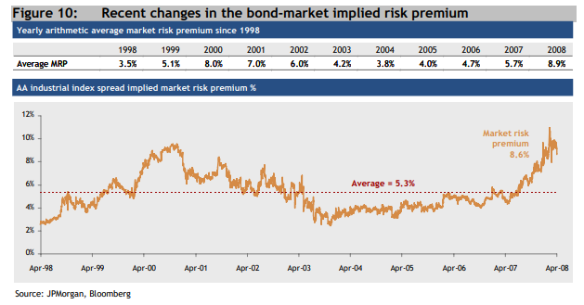
Market Risk Premium
We use a market risk premium of 7% as requested in the case question.
However empirical research suggests MRP of 5.0% is more accurate.
See (Zenner et al, 2008), (Duff & Phelps, 2019)

$r_{E}=r_{F}+β_{E}\left( r_{M}−r_{F}\right)$
CAPM Formula

$$r_{E}=r_{F}+β_{E} . MRP$$
or equivalently,

where MRP = market risk premium = ( r(M) - r(F) )

Cost of Equity using CAPM
Risk-Free Rate, r(F) a | 6.00%
Equity Beta, B(E) b | 0.978
Market Risk Premium, MRP c | 7.00%
Cost of Equity, r(E) | 12.84%

a Using 20Y US Treasury Yield, which is the closest match for our project time horizon
b From the "BetaComparables" worksheet
c We are asked to use MRP of 7% in the case question

Cost of Capital Check
r(F) < r(D) < r(E) | 6% < 6.42% < 12.84%

Debt Beta, B(D) |  | Comment
Cost of Debt, r(D) | 6.42% | From Interest Expense
Debt Beta, B(D) | 0.060 | From CAPM

Beta Check
Beta(F) < Beta(D) < Beta(E) | 0.000 < 0.06 < 0.978

Cost of Equity using Unlevered Cost of Capital
$$r_{E}= r_{U}+ \left(\frac{D\left(1−τ\right)}{E}\right)\left(r_{U} − r_{D}\right)$$

with
$$r_{U}=r_{F}+β_{U} . MRP$$

and
$$β_{U}= \left(\frac{D\left(1−τ\right)}{D\left(1−τ\right)+E}\right)β_{D}+\left(\frac{E}{D\left(1−τ\right)+E}\right)β_{E}$$

Cost of Equity using Unlevered Cost of Capital |  | Comment
Risk-Free Rate, r(F) | 6.00% | Using 20Y Treasury Yield to match the project time horizon
Unlevered Beta, B(U) | 0.834 | From "EquityBeta" sheet
Market Risk Premium | 7.00% | We are asked to use MRP of 7% in the case question
Unlvered Cost of Capital, r(U) | 11.84% | From CAPM
D/E Ratio | 32.94% | From "EquityBeta" sheet
( 1 - Tax Rate % ) | 56.50% | From "EquityBeta" sheet
Cost of Equity, r(E) | 12.84%

Cost of Capital Check
r(F) < r(D) < r(E) | 6% < 6.42% < 12.84%

Check vs Cost of Capital using CAPM
r(E) using CAPM | 12.843442%
r(E) using unlevered CoC | 12.843442%
+/- | 0.000000%

3.1 FreeCashFlows
Free Cash Flows (Top-Down Approach)
$$FCF=EBIT \left(1−τ\right)+Depreciation −CapEx − ∆ Working Capital$$

or
$$FCF=EBIT− Tax+Depreciation −CapEx − ∆ Working Capital$$

Free Cash Flows (FCF)
Free Cash Flows (FCF)
FCF from top-down analysis of balance sheet and income statement ($ thousands)

Year | 1998 | 1999 | 2000 | 2001 | 2002
EBIT a | 160,121 | 126,032 | 171,619 | 187,978 | 201,604
Tax | 70,180 | 54,724 | 74,518 | 81,621 | 87,537
Depreciation | 56,113 | 87,661 | 91,786 | 94,593 | 97,355
CapEx b | 87,691 | 97,205 | 96,971 | 96,811 | 106,647
Change in Working Capital c | 81,666 | 794 | 26,318 | 33,021 | 47,681
FCF d | -23,303 | 60,970 | 65,598 | 71,118 | 57,094

a The valuation is performed mid-year 1998, hence for the 1998 EBIT figure we included both the past and projected cash for this year to simplify the working capital and other calcuations.

b The FCF top-down formula expects CapEx to be represented as a positive number
c Working Capital = Current Assets - Current Liabilities
d Using top-down approach, FCF = EBIT( 1 - Tax ) + Depreciation - CapEx - Chg W/Cap

Gross Profit
Gross Profit
 | Past | Projected | Extrapolated | US GDP
1993 | 377,809
1994 | 438,026
1995 | 421,747
1996 | 482,626
1997 | 576,019 | 576,019 | 576,019 | 576,019
1998e |  | 583,316 | 642,273 | 601,940
1999e |  | 550,162 | 716,147 | 629,027
2000e |  | 612,656 | 798,518 | 657,333
2001e |  | 646,997 | 890,364 | 686,913
2002e |  | 674,998 | 992,773 | 717,824
Projected Tax Rates
From Income Statement

Year | 1998 | 1999 | 2000 | 2001 | 2002
Tax Rate, τ (%) | 43.83% | 43.42% | 43.42% | 43.42% | 43.42%
Average Tax Rate, τ (%) | 43.50%

Growth Rate (%)
Growth Rate (%)
 | Past | Projected | Extrapolated | US GDP
1993 |  |  |  | 4.50%
1994 | 15.94% |  |  | 4.50%
1995 | -3.72% |  |  | 4.50%
1996 | 14.43% |  |  | 4.50%
1997 | 19.35% | 19.35% | 19.35% | 4.50%
1998e |  | 1.27% | 11.50% | 4.50%
1999e |  | -5.68% | 11.50% | 4.50%
2000e |  | 11.36% | 11.50% | 4.50%
2001e |  | 5.61% | 11.50% | 4.50%
2002e |  | 4.33% | 11.50% | 4.50%
Projected Growth
Growth in Gross Profit from Income Statement ($ thousands)

Year | 1998 | 1999 | 2000 | 2001 | 2002
Gross Profit | 583,316 | 550,162 | 612,656 | 646,997 | 674,998
Growth Rate (%) |  | -5.68% | 11.36% | 5.61% | 4.33%
Perpetual Growth Rate (%) a | 4.33%
a The 2002 growth rate is used for the perpetual growth rate as it appears to be in a stable steady state.
US GDP Growth Rate (%) | 4.50% | 4.50% | 4.50% | 4.50% | 4.50%

Projected Growth
We check Kohler Perpetual Growth Rate < US GDP Growth Rate (1998)

Perpetual Growth Rate, g (%) | 4.33%
US GDP Growth Rate, e (%) | 4.50%
Growth Check: g << e | TRUE

Source: The World Bank, US GDP Growth (1998) (WorldBank, n.d.)

Past, Projected, Extrapolated & US GDP Growth
Growth in Gross Profit from Income Statement ($ thousands)

Year | 1993 | 1994 | 1995 | 1996 | 1997 | 1998e | 1999e | 2000e | 2001e | 2002e
Gross Profit | 377,809 | 438,026 | 421,747 | 482,626 | 576,019 | 583,316 | 550,162 | 612,656 | 646,997 | 674,998
Growth Rate, g (%) |  | 15.94% | -3.72% | 14.43% | 19.35% | 1.27% | -5.68% | 11.36% | 5.61% | 4.33%
Average Growth (%) | 11.50% |  |  |  |  | 3.38%
Extrapolated Growth (%) |  |  |  |  |  | 11.50%
US GDP 1998 |  |  |  |  |  | 4.50%

Past, Projected, Extrapolated & US GDP Gross Profits
Growth in Gross Profit from Income Statement ($ thousands)

Year | 1993 | 1994 | 1995 | 1996 | 1997 | 1998e | 1999e | 2000e | 2001e | 2002e
Past | 377,809 | 438,026 | 421,747 | 482,626 | 576,019
Projected |  |  |  |  | 576,019 | 583,316 | 550,162 | 612,656 | 646,997 | 674,998
Extrapolated |  |  |  |  | 576,019 | 642,273 | 716,147 | 798,518 | 890,364 | 992,773
US GDP |  |  |  |  | 576,019 | 601,940 | 629,027 | 657,333 | 686,913 | 717,824

Past, Projected & Extrapolated Growth
Estimated from Gross Profits

Year | 1993 | 1994 | 1995 | 1996 | 1997 | 1998e | 1999e | 2000e | 2001e | 2002e
Past |  | 15.94% | -3.72% | 14.43% | 19.35%
Projected |  |  |  |  | 19.35% | 1.27% | -5.68% | 11.36% | 5.61% | 4.33%
Extrapolated |  |  |  |  | 19.35% | 11.50% | 11.50% | 11.50% | 11.50% | 11.50%
US GDP | 4.50% | 4.50% | 4.50% | 4.50% | 4.50% | 4.50% | 4.50% | 4.50% | 4.50% | 4.50%

Average Past | 11.50%
Average Projected |  |  |  |  |  | 3.38%
Average Extrapolated |  |  |  |  |  | 11.50%
Avarage USD GDP |  |  |  |  |  | 4.50%

3.2 DCF Analysis + Scenarios
Discounted Cash Flow Analysis (DCF)

Enterprise Value NPVs ($ thousands)
Model Parameters
WACC % | 10.74%
Growth Rate % | 4.33%

 |  |  |  |  | Base Value
Year | 1998 | 1999 | 2000 | 2001 | 2002
Time (years) | 1.00 | 2.00 | 3.00 | 4.00 | 5.00
FCF a | -23,303 | 60,970 | 65,598 | 71,118 | 57,094
Discount Factor | 0.9030 | 0.8154 | 0.7363 | 0.6649
NPV | -21,042 | 49,716 | 48,302 | 47,288 | 591,941
 | 1,998 | 1,999 | 2,000 | 2,001 | CV

Enterprise Value |  |  |  | Continuation Value
Forecast NPV | 124,263 |  |  | Base Value | 57,094
Contnuation Value | 591,941 |  |  | Perpetuity | 890,252
Enterprise Value, EV | 716,204 |  |  | Discount Factor b | 0.6649
EV ($ billions) | 0.72 |  |  | NPV | 591,941

a Free Cash Flows ($ thousands)
b Continuation Value we discount from one period before base value
 |  |  |  |  |  |  | Valuation Comparison

Share Price |  |  | DCF Equity Discounts |  |  |  |  | Multiples | DCF | BV | MV
Enterprise Value | 716,204 |  | Illiquidity | 0.00% | <--- Input |  | Enterprise Value | 1,707,529 | 716,204 | 1,019,177 | 1,004,891
Debt Value | 232,444 |  | Minority Control | 0.00% | <--- Input |  | Debt Value | 232,444 | 232,444 | 232,444 | 232,444
Equity Value | 483,760 |  | Total | 0.00% |  |  | Equity Value | 1,475,085 | 483,760 | 786,733 | 772,447
No. Shares | 7,587.89 |  |  |  |  |  | Share Price | 194,400 | 63,754 | 103,683 | 101,800
Share Price | 63,754
 |  |  |  |  |  |  |  | WACC: 10.74%, Growth Rate: 4.33%, Discount: 0%

Scenario Analysis

 |  |  | 716,204 |  |  | 63,754
Override | Current Value | New Value | Original EV | New EV | +/- | Original Px | New Px | +/-
WACC | 10.74% |  | 716,204 | 716,204 | 0 | 63,754 | 63,754 | 0
Growth | 4.33% |  | 716,204 | 716,204 | 0 | 63,754 | 63,754 | 0
Eqty Beta | 0.98 |  | 716,204 | 716,204 | 0 | 63,754 | 63,754 | 0
MRP | 7.00% |  | 716,204 | 716,204 | 0 | 63,754 | 63,754 | 0
Equity Discount | 0.00% |  | 716,204 | 716,204 | 0 | 63,754 | 63,754 | 0

Scenario | New Parameter | Original EV | New EV | +/- | Original Price | New Price | +/-
WACC +1% | 11.74% | 716,204 | 614,709 | -101,495 | 63,754 | 50,378 | -13,376
WACC -1% | 9.74% | 716,204 | 855,442 | 139,238 | 63,754 | 82,104 | 18,350
Growth +1% | 5.33% | 716,204 | 825,835 | 109,631 | 63,754 | 78,202 | 14,448
Growth -1% | 3.33% | 716,204 | 636,504 | -79,700 | 63,754 | 53,251 | -10,504
Eqty Beta 1.5 (+0.5) | 1.50 | 716,204 | 485,972 | -230,232 | 63,754 | 33,412 | -30,342
Eqty Beta 0.5 (-0.5) | 0.50 | 716,204 | 1,222,955 | 506,751 | 63,754 | 130,538 | 66,784
MRP +1% | 8.00% | 716,204 | 636,910 | -79,294 | 63,754 | 53,304 | -10,450
MRP - 1% | 6.00% | 716,204 | 816,618 | 100,414 | 63,754 | 76,988 | 13,233
MRP 5.0% (-2.0%) | 5.00% | 716,204 | 947,900 | 231,696 | 63,754 | 94,289 | 30,535

Scenario | New Parameter | Original Price | Target Price | +/- | Original EV | New EV | +/- | Comment
Price 103,683 (MRP) | 4.56% | 63,754 | 103,683 | 39,929 | 716,204 | 1,019,179 | 302,975 | To match Book Value (BV)
Price 101,800 (MRP) | 4.64% | 63,754 | 101,800 | 38,046 | 716,204 | 1,004,891 | 288,687 | To match Market Value (MV)
Price 273,000 (WACC) | 6.39% | 63,754 | 273,000 | 209,246 | 716,204 | 2,303,938 | 1,587,734 | To match Dissenters
Price 273,000 (Growth) | 9.00% | 63,754 | 273,000 | 209,246 | 716,204 | 2,303,938 | 1,587,734 | To match Dissenters
Price 54,000 (WACC) | 11.44% | 63,754 | 54,000 | -9,754 | 716,204 | 642,190 | -74,014 | To match Kohler Co.
Price 54,000 (Growth) | 3.41% | 63,754 | 54,000 | -9,754 | 716,204 | 642,190 | -74,014 | To match Kohler Co.
Price 54,000 (Discount) | 15.30% | 63,754 | 54,000 | -9,754 | 716,204 | 642,190 | -74,014 | To match Kohler Co.

 |  | WACC Scenario Analysis |  |  |  |  |  |  |  |  | WACC & Growth Scenario Analysis

WACC Inrement |  | Δ WACC | New WACC | Enterprise Value |  | Show Absolute or Change in EV |  |  |  |  |  | Change in WACC %
0.50% |  | 2.50% | 13.24% | -211,288 |  | Show EV Change | TRUE |  |  |  |  | 8.24% | 8.74% | 9.24% | 9.74% | 10.24% | 10.74% | 11.24% | 11.74% | 12.24% | 12.74% | 13.24%
 |  | 2.00% | 12.74% | -179,061 |  |  |  |  |  |  |  | -2.50% | -2.00% | -1.50% | -1.00% | -0.50% | 0.00% | 0.50% | 1.00% | 1.50% | 2.00% | 2.50%
 |  | 1.50% | 12.24% | -142,768 |  | WACC Inrement | 0.50% |  | Change in Growth Rate % | 9.33% | 5.00% | -4,409,361 | -7,543,138 | -46,787,030 | 8,938,210 | 3,642,843 | 2,094,292 | 1,354,996 | 921,948 | 637,466 | 436,263 | 286,420
 |  | 1.00% | 11.74% | -101,589 |  | Growth Inrement | 1.00% |  |  | 8.33% | 4.00% | -48,514,137 | 9,297,448 | 3,803,851 | 2,197,348 | 1,430,399 | 981,162 | 686,053 | 477,341 | 321,912 | 201,657 | 105,839
 |  | 0.50% | 11.24% | -54,463 |  |  |  |  |  | 7.33% | 3.00% | 3,972,375 | 2,305,184 | 1,509,276 | 1,043,087 | 736,851 | 520,277 | 358,998 | 234,223 | 134,809 | 53,729 | -13,665
 |  | 0.00% | 10.74% | 0 |  |  |  |  |  | 6.33% | 2.00% | 1,591,823 | 1,107,875 | 789,983 | 565,173 | 397,767 | 268,258 | 165,076 | 80,929 | 10,988 | -48,067 | -98,597
 |  | -0.50% | 10.24% | 63,659 |  |  |  |  |  | 5.33% | 1.00% | 845,578 | 612,137 | 438,311 | 303,841 | 196,712 | 109,351 | 36,743 | -24,560 | -77,011 | -122,399 | -162,063
 |  | -1.00% | 9.74% | 139,062 |  |  |  |  |  | 4.33% | 0.00% | 480,729 | 341,059 | 229,793 | 139,062 | 63,659 | 0 | -54,463 | -101,589 | -142,768 | -179,061 | -211,288
 |  | -1.50% | 9.24% | 229,793 |  |  |  |  |  | 3.33% | -1.00% | 264,397 | 170,134 | 91,800 | 25,671 | -30,901 | -79,849 | -122,617 | -160,307 | -193,771 | -223,684 | -250,581
 |  | -2.00% | 8.74% | 341,059 |  |  |  |  |  | 2.33% | -2.00% | 121,235 | 52,514 | -6,271 | -57,129 | -101,563 | -140,717 | -175,479 | -206,549 | -234,484 | -259,737 | -282,674
 |  | -2.50% | 8.24% | 480,729 |  |  |  |  |  | 1.33% | -3.00% | 19,489 | -33,374 | -79,555 | -120,245 | -156,369 | -188,652 | -217,676 | -243,909 | -267,736 | -289,472 | -309,379
 |  |  |  |  |  |  |  |  |  | 0.33% | -4.00% | -56,542 | -98,844 | -136,395 | -169,952 | -200,117 | -227,380 | -252,139 | -274,723 | -295,405 | -314,416 | -331,948
 |  |  |  |  |  |  |  |  |  | -0.67% | -5.00% | -115,512 | -150,404 | -181,768 | -210,111 | -235,849 | -259,322 | -280,817 | -300,572 | -318,789 | -335,640 | -351,272
 |  | Growth Scenario Analysis

Growth Inrement |  | Δ Growth | New Growth | Enterprise Value
1.00% |  | 5.00% | 9.33% | 2,094,292
 |  | 4.00% | 8.33% | 981,162
 |  | 3.00% | 7.33% | 520,277
 |  | 2.00% | 6.33% | 268,258
 |  | 1.00% | 5.33% | 109,351
 |  | 0.00% | 4.33% | 0
 |  | -1.00% | 3.33% | -79,849
 |  | -2.00% | 2.33% | -140,717
 |  | -3.00% | 1.33% | -188,652
 |  | -4.00% | 0.33% | -227,380
 |  | -5.00% | -0.67% | -259,322

 |  | Equity Discount Scenario Analysis

Discount Increment |  | Δ Discount | New Discount | Enterprise Value | Share Price
10.00% |  | 50.00% | 50.00% | 358,102 | 16,560
 |  | 40.00% | 40.00% | 429,722 | 25,999
 |  | 30.00% | 30.00% | 501,343 | 35,438
 |  | 20.00% | 20.00% | 572,963 | 44,877
 |  | 10.00% | 10.00% | 644,584 | 54,315
 |  | 0.00% | 0.00% | 716,204 | 63,754

3.3 Price Comparison
Kohler Valuation Summary - Price per Share

1 Market Value (Dashed Line) is based on market transactions in Mar-Apr 1998
2 Public multiples use raw aggregated EV/Sales, EV/EBITDA, EV/Cashflows and EV/EBIAT multiples taken from public proxy companies
3 Private company mulitples are derived from raw public multiples using 30% illiquidity and 10% control discounts

Pricing Method | Low | Open | Close | High | Mid | Average Price
Market Value | £100,000 | £100,000 | £103,600 | £103,600 | £101,800 | Market Price | £101,800
Public Company Multiples | £168,865 | £168,865 | £351,527 | £351,527 | £260,196 | Multiples | £156,117
Private Company Multiples | £101,319 | £101,319 | £210,916 | £210,916 | £156,117 | DCF | £79,022
DCF Analysis | £63,754 | £63,754 | £94,289 | £94,289 | £79,022 | Book Value | £103,683
Book Value | £103,683 | £103,683 | £103,683 | £103,683 | £103,683 | Average Px | £110,155 | in thousands
Court Case | £55,400 | £55,400 | £273,000 | £273,000 | £164,200

Book Value |  |  |  | DCF Discounts
Equity Value | £786,733 | in thousands |  | Illiquidity | 30%
No. Shares | 7,587.89 |  |  | Minority Control | 10%
Book Price | £103,683 |  |  | Total | 40%

4.0 Charts & Illustrations
Illustrations

Enterprise Value

Multiples Process

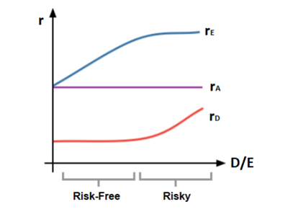
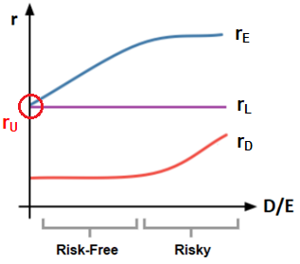

WACC Rates

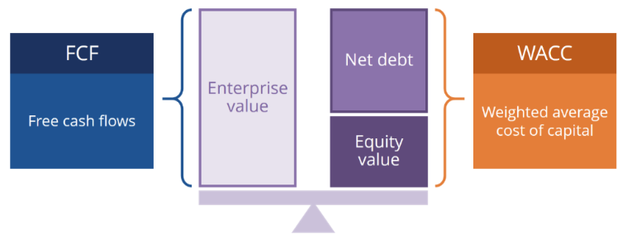

DCF Analysis

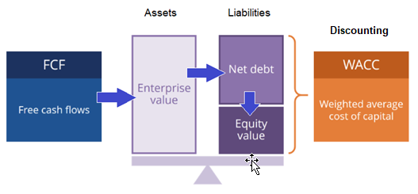

FCF Subordination
Waterfall

 | Item | Value
 | Equity Weight, w(E) | 77.19%
WACC | Cost of Equity, r(E) | 12.84%
 | Debt Weight, w(D) | 22.81%
 | Cost of Debt, r(D) | 6.42%
 | Tax Rate % | 43.50%
 | WACC | 10.74%

WACC Formula

Cost Of Equity

DCF Enterprise Value

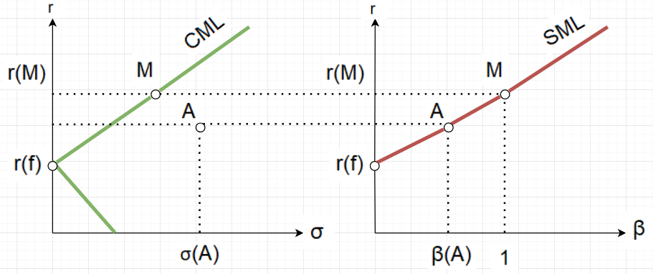

CAPM Pricing Model

CML & SML

